Deep Learning
The daily plan for studying to become a machine learning engineer
Awesome Machine Learning
Machine Learning Tutorials | Deep Learning papers reading roadmap
Questions about the Machine Learning Field | down in the link
Autonomous Vehicles Resources | Machine Learning - The Ultimate List Curriculum
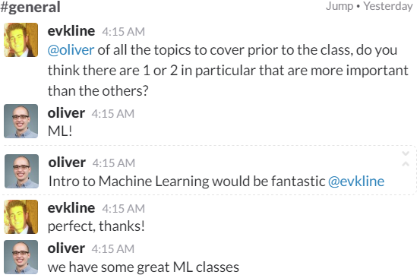
MIT - 6.S094: Deep Learning for Self-Driving Cars | How to Get a Job In Deep Learning
Course Name | Comments
Deep Learning
Coursera Deep Learning Specialization
Deep Learning - Udacity
Open Source Deep Learning Curriculum
Practical Deep Learning For Coders
A Guide to Deep Learning
CS 294: Deep Reinforcement Learning, Spring 2017
Oxford Deep NLP 2017 course
Stanford Natural Language Processing
Machine Learning
Gitbook Machine learning
Intro to Machine Learning - Udacity | Bonus: Python (novice level), SciKit Learn
Coursera Machine Learning
http://www.deeplearningbook.org/
https://developer.nvidia.com/deep-learning-courses
Deep Learning - Udacity
Friendly Introduction to Machine Learning - Udacity
Machine Learning with Python Youtube Playlist | Neural Networks included and the channel is nice
Caltech Machine Learning Course - CS 156
Toronto - CSC2541 Visual Perception for Autonomous Driving
Neural Network
7 Minutes From Udacity
Neural Networks Demystified | Machine Learning ND Preliminary Resources
Nature Of Code Book | Chapter 10
Neural Networks and Deep Learning Book
Deep Learning Book MIT Press
Stanford - CNN for Visual Recognition 2016 | Stanford CS231 Syllabus
Stanford - CNN for Visual Recognition 2017
Artificial Intelligence
Intro to AI - Udacity
AI for Robotics - Udacity | Some linear algebra prereq
AI Playbook
Computer Vision
Introduction to Computer Vision - Udacity
UCF Computer Vision Video Lectures 2012
How to start Computer Vision
Robotics
Coursera - Robotics Specialization

